Sheet1
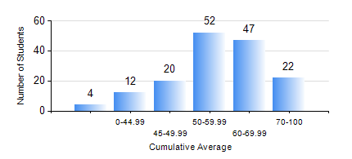
 |  |  | KWAME NKRUMAH UNIVERSITY OF SCIENCE AND TECHNOLOGY, KUMASI Department of Telecommunication Engineering

 |  |  | BSC. TELECOMMUNICATION ENG.

 |  |  | COMPREHENSIVE RECORD OF EXAMINATION RESULTS

 |  |  | RESULTS OF YEAR 1 FIRST SEMESTER, 2023/2024 ACADEMIC YEAR

 | Sn | Course Code |  | Course Name | Credit Hours | Min. Mark | Max. Mark | Avg. Mark | Std. Dev. | No. Passed | No. Trailed | No. (Df) | No. (I) | No. (I*) | No. Tagged(I,I*,Df) | Total
 | 0. |  |  |  |  |  |  | 0 | 0 | 0 | 0 | 0 | 0 | 0 | 0 | 4
 | 1. | CE 155 |  | ENVIRONMENTAL STUDIES | 2 | 0 | 89 | 59 | 12.76 | 150 | 3 | 0 | 0 | 0 | 0 | 153
 | 2. | EE 151 |  | APPLIED ELECTRICITY | 3 | 0 | 90 | 55 | 14.92 | 139 | 14 | 0 | 0 | 0 | 0 | 153
 | 3. | EE 153 |  | ENGINEERING TECHNOLOGY | 2 | 0 | 95 | 68 | 13.66 | 150 | 3 | 0 | 0 | 0 | 0 | 153
 | 4. | ENGL 157 |  | COMMUNICATION SKILLS I | 2 | 0 | 91 | 65 | 13.79 | 150 | 3 | 0 | 0 | 0 | 0 | 153
 | 5. | MATH 151 |  | ALGEBRA | 4 | 0 | 92 | 61 | 14.72 | 149 | 4 | 0 | 0 | 0 | 0 | 153
 | 6. | ME 159 |  | TECHNICAL DRAWING | 2 | 0 | 79 | 51 | 12.92 | 146 | 7 | 0 | 0 | 0 | 0 | 153
 | 7. | ME 161 |  | BASIC MECHANICS | 3 | 0 | 91 | 51 | 18.18 | 132 | 21 | 0 | 0 | 0 | 0 | 153

